INPUT


W&B INPUT FORM

Input | KG/LTR
Pilot | 0
Instructor / front passenger | 0
Rear passengers | 0
Baggage (max 90kg) | 0
Fuel (i liter) | 0

Vekt og balanseskjema
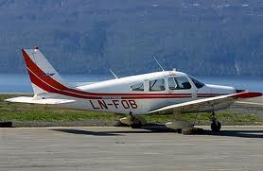 | Weight & Balance

 | LN-FOB

Station | Weight lbs | Arm | Moment
Basic empty weight | 1483 | 87.74 | 130118.42
Oil | 15 | 27.5 | 412.5
Pilot & Front passenger | 0 | 80.5 | 0
Rear passengers | 0 | 118.1 | 0
Fuel | 0 | 95 | 0
Baggage | 0 | 142.8 | 0
Takeoff weight & CG | 1498 | 87.136795728 | 130530.92

MAX TAKEOFF WEIGHT = 2325 lbs

C.G RANGE AND WEIGHT

Ramme x | Ramme y | Utility x | Utility y
83 | 1200 | 83 | 1200
83.01 | 1950 | 83.01 | 1950
87 | 2325 | 86.5 | 1950
93 | 2325 | 86.5 | 1200
93.01 | 1200

